Energy Settlement at Load Zone
 |  |  |  |  | 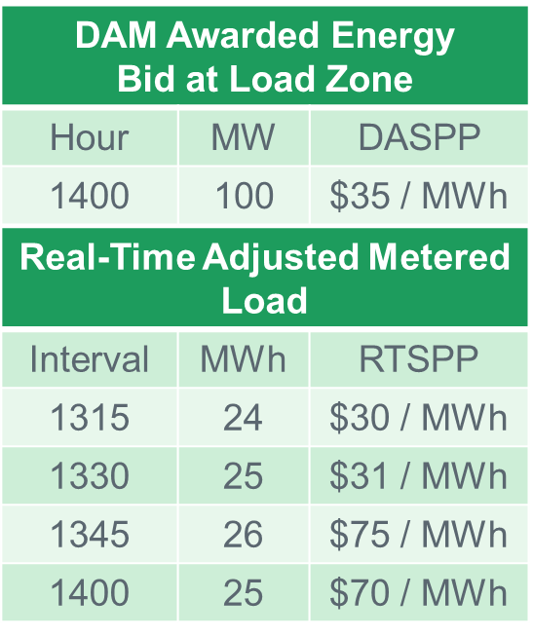

Hour |  |  | DAM Awarded Energy Bid |  |  |  | DASPP |  | DAM Award
1400 |  | ( |  |  |  | ) * |  | = | $0
Interval |  |  | Supplies |  | Obligations |  | RTSPP |  | Real-Time Energy Imbalance
1315 | (-1) | * ( |  | ) – ( |  | ) * |  | = | $0
1330 | (-1) | * ( |  | ) – ( |  | ) * |  | = | $0
1345 | (-1) | * ( |  | ) – ( |  | ) * |  | = | $0
1400 | (-1) | * ( |  | ) – ( |  | ) * |  | = | $0
 |  |  |  |  |  |  | Net |  | $0

Energy Settlement at Resource
 |  |  |  |  | 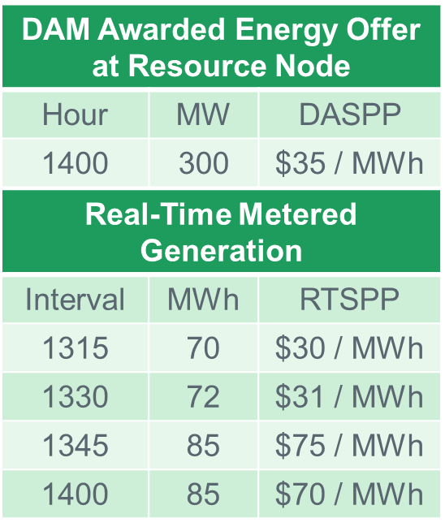

Hour |  |  | DAM Awarded Energy Offer |  |  |  | DASPP |  | DAM Award
1400 | (-1) | * ( |  |  |  | ) * |  | = | $0
Interval |  |  | Supplies |  | Obligations |  | RTSPP |  | Real-Time Energy Imbalance
1315 | (-1) | * ( |  | ) – ( |  | ) * |  | = | $0
1330 | (-1) | * ( |  | ) – ( |  | ) * |  | = | $0
1345 | (-1) | * ( |  | ) – ( |  | ) * |  | = | $0
1400 | (-1) | * ( |  | ) – ( |  | ) * |  | = | $0
 |  |  |  |  |  |  | Net |  | $0

